Sheet1
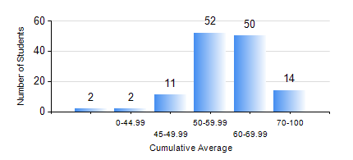
 |  |  | KWAME NKRUMAH UNIVERSITY OF SCIENCE AND TECHNOLOGY, KUMASI Department of Materials Engineering

 |  |  | BSC. MATERIALS ENG.

 |  |  | COMPREHENSIVE RECORD OF EXAMINATION RESULTS

 |  |  | RESULTS OF YEAR 1 SECOND SEMESTER, 2021/2022 ACADEMIC YEAR

 | Sn | Course Code |  | Course Name | Credit Hours | Min. Mark | Max. Mark | Avg. Mark | Std. Dev. | No. Passed | No. Trailed | No. (Df) | No. (I) | No. (I*) | No. Tagged(I,I*,Df) | Total
 | 0. |  |  |  |  |  |  | 0 | 0 | 0 | 0 | 0 | 0 | 0 | 0 | 2
 | 1. | EE 152 |  | BASIC ELECTRONICS | 2 | 34 | 86 | 62 | 10.34 | 128 | 1 | 0 | 0 | 0 | 0 | 129
 | 2. | ENGL 158 |  | COMMUNICATION SKILLS II | 2 | 35 | 80 | 61 | 8.96 | 128 | 1 | 0 | 0 | 0 | 0 | 129
 | 3. | MATH 152 |  | CALCULUS WITH ANALYSIS | 4 | 18 | 77 | 51 | 9.18 | 124 | 5 | 0 | 0 | 0 | 0 | 129
 | 4. | ME 160 |  | ENGINEERING DRAWING | 2 | 41 | 85 | 68 | 10.68 | 129 | 0 | 0 | 0 | 0 | 0 | 129
 | 5. | ME 162 |  | BASIC MECHANICS | 3 | 40 | 86 | 60 | 12.48 | 129 | 0 | 0 | 0 | 0 | 0 | 129
 | 6. | MSE 152 |  | KINETICS OF CHEMICAL REACTIONS | 2 | 23 | 84 | 65 | 11.06 | 125 | 4 | 0 | 0 | 0 | 0 | 129
 | 7. | MSE 154 |  | PRINCIPLES OF MATERIALS SCIENCE | 2 | 22 | 91 | 72 | 12.66 | 126 | 3 | 0 | 0 | 0 | 0 | 129

